Summary
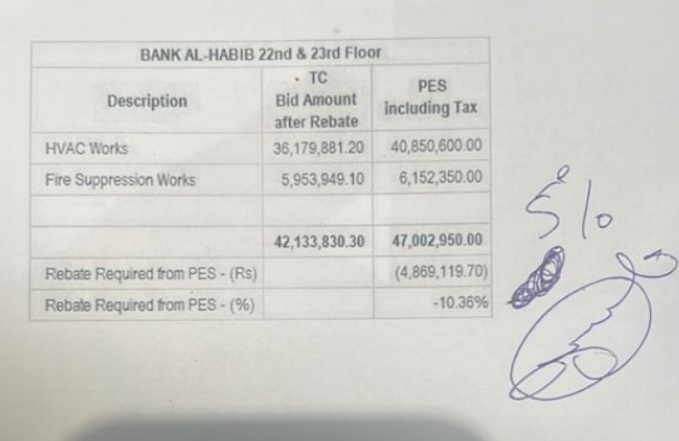
 |  |  |  | Bank Al-Habib Limited

HVAC & Fire Fighting Work |  |  |  | 16-Feb-23
22nd & 23rd Floor Centerpoint Karachi

SUMMARY OF BILL OF QUANTITIES

S.No | Description | Material | Labour | Amount
1 | HVAC 22nd Floor | 17,760,963 | 1,672,238 | 19,433,200
2 | HVAC 23rd Floor | 17,548,495 | 1,565,505 | 19,114,000
 | Total Amount HVAC |  |  | 38,547,200

3 | Fire Fighting 22nd Floor | 2,669,833 | 457,900 | 3,127,733
4 | Fire Fighting 23rd Floor | 2,310,400 | 406,600 | 2,717,000
 | Total Amount Fire Fighting |  |  | 5,844,733

 | Grand Total Amount | 40,289,690 | 4,102,243 | 44,391,933

